Workbook sheets
 |  |  |  |  |  |  |  |  |  |  |  |  |  | Researcher-interventionist notes: The workbook ought to be issued to participants in "session zero", a familiarisation session where shared online whiteboards, workbooks, surfaces, and adminstrative arrangements are typically explained. The workbook should be made available in hard copy, flat PDF, and interactive PDF (consider preference and accessibility). It is intended for use inside and outside sessions. In previous sessions, workbooks have been issued both for private use, and for analysis by researcher-interventionists. Either way, arrangements ought to be made clear to participants at the outset. The imagery at the top left and top right ought to be related to the problematic activity being examined, relevant for all participants. The imagery of the four-field analysis, activity system, and expansive cycle are intended to initiate familiarity at this early point, rather than being used as task stimuli or for analysis. As the sessions unfold, the familiar imagery, concepts, and models used in the problematic activity being examined will be increasingly represented by task stimuli on surfaces and in workbooks.
Change Laboratory for [insert brief summary of the research-intervention's intent]
Participant notes and workbook _________________________
You can make notes on hard copy, on interactive pdf, or through our shared whiteboard [Insert link to Miro, Limnu, MS Whiteboard, other]

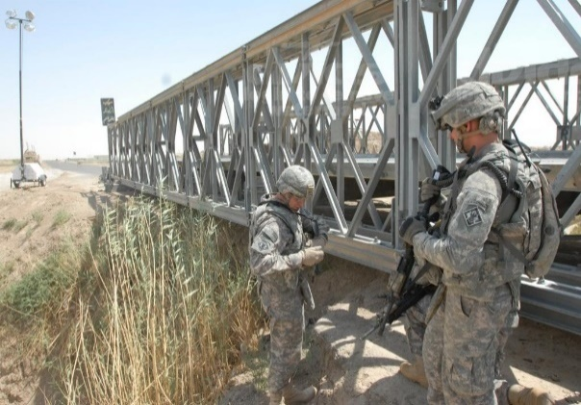
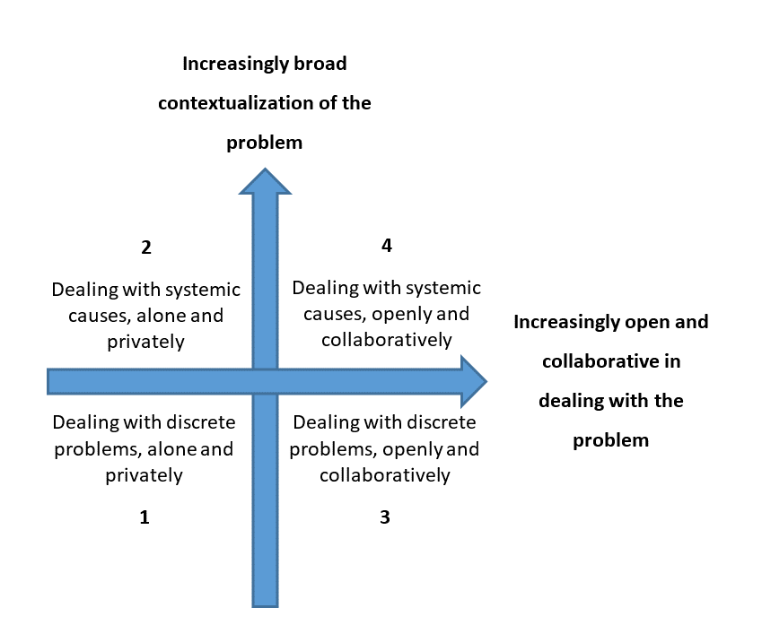
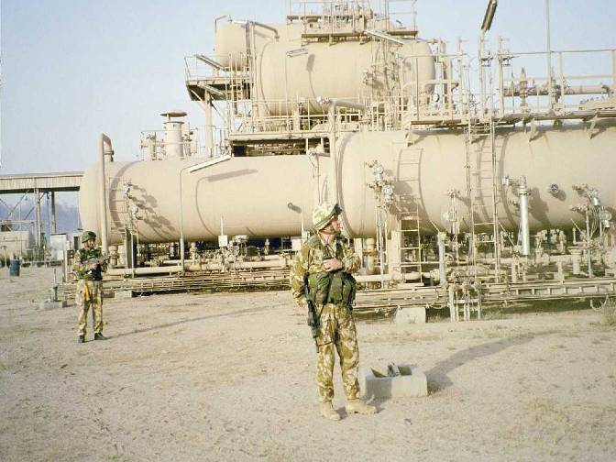

[Insert imagery related to the activity being examined]
[Insert imagery related to the activity being examined]

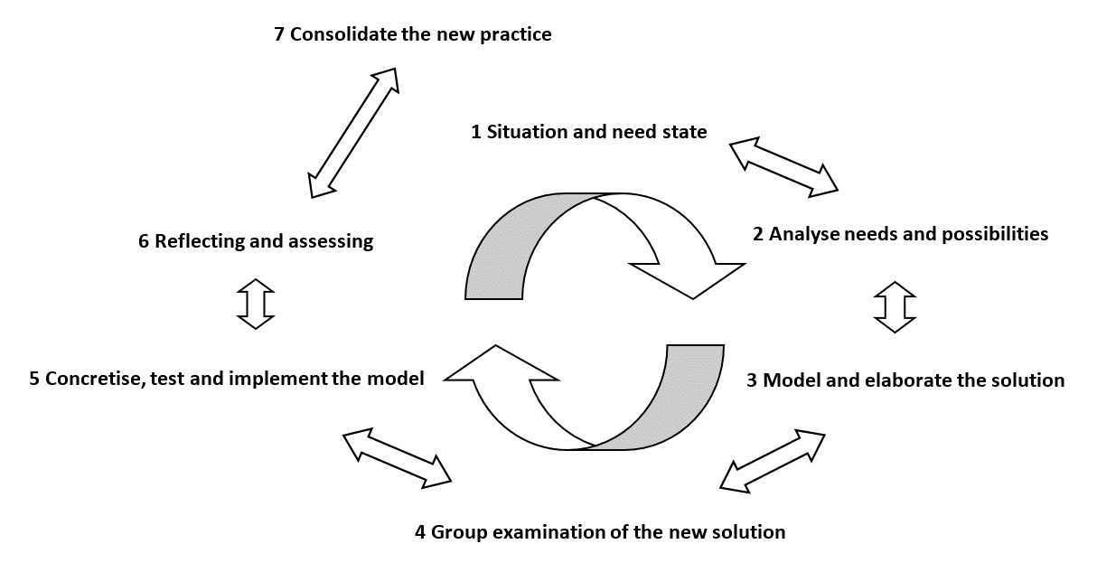

If you have any questions please contact: [Insert contact details for the researcher-interventionist]

 |  |  |  |  |  |  |  |  |  |  |  |  |  | Researcher-interventionist notes: This template is configured for the first three sessions, in which separate sub-groups expose political problems before inter-group interactions. Thus, after introductions in session zero, participants "work partly in separate groups and come together to discuss their proposals" (Virkkunen & Newnham, 2013, p. 66). This 'disturbance diary' exercise is preparatory for the initial sessions, and ought to be completed prior to commencement of the session. The exercise spans this page and the next, is intended to be conducted alone, and typically takes around 15 minutes. The bottom third of the task shows examples of disturbances, which ought to use the everyday and familiar lingua-franca of practice, rather than technical CL terms at this point. Having initiated the disturbance diaries, participants ought to be encouraged to revisit disturbance diaries, both routinely and opportunistically. This typically becomes the primary individual recording tool 'outside' sessions for themes to subsequently raise 'inside' sessions. Virkkunen, J., & Newnham, D. (2013). The Change Laboratory: a Tool for Collaborative Development of Work and Education. SensePublishers. https://doi.org/10.1007/978-94-6209-326-3
Change Laboratory for [insert brief summary of the research-intervention's intent]
Preparing for Session 1 [insert sub group], Session 2 [insert sub group] and Session 3 [insert sub group] - around 15 minutes
Disturbance diary

What? |  | In every activity problems arise, and by exposing these and aggravating them we can improve practice, rather than expecting them to go away by themselves.

So what? |  | A useful tool for tracking these problems is a "disturbance diary" which is an individual record of problems and difficulties that we can explore together. They won't be collected in, but they may help us to track our thoughts before our next session.

Now what? |  | There is an example below; please add your own below it and overleaf, overleaf and think of two or three every week that we could use as impetus for change in that session. When we meet for our Change Laboratory sessions, we'll explore them together.

Topic |  | Disturbance, problem, difficulty… |  |  |  | Available means of going forward… |  |  |  | Ideas for mirror material and for elimination…
[Insert a familiar example of daily activity which might be problematic] |  | [Add an example of a relatable yet fictional disturbance, referring to the contextual daily reality of the participants] |  |  |  | [Add an example of a potential solution to the disturbance, using the familiar lingua-franca of their organisation and their setting] |  |  |  | [Add an example of potential mirror data, which would expose the disturbance and the people involved, describing how the group would call upon it to confront problems]
E X A M P L E

 |  |  |  |  |  |  |  |  |  |  |  |  |  | Researcher-interventionist notes: See previous note above. Irrespective of the specific format / mode used for the workbook, sufficient spare copies of this particular page ought to be made available for participants, who are typically encouraged to continue populating disturbance diaries throughout the research-intervention. For guidance on maintaining disturbance diaries, see Appendix 2 of Virkkunen and Newnham (2013, p. 247-249). Virkkunen, J., & Newnham, D. (2013). The Change Laboratory: a Tool for Collaborative Development of Work and Education. SensePublishers. https://doi.org/10.1007/978-94-6209-326-3
Change Laboratory for [insert brief summary of the research-intervention's intent]
Preparing for Session 1 [insert sub group], Session 2 [insert sub group] and Session 3 [insert sub group] - around 15 minutes
Please maintain this diary regularly and let [researcher-interventionist] know if you need any more blank sheets

Topic |  | Disturbance, problem, difficulty… |  |  |  | Available means of going forward… |  |  |  | Ideas for mirror material and for elimination…

 |  |  |  |  |  |  |  |  |  |  |  |  |  | Researcher-interventionist notes: In early sessions, it can be beneficial to set out definitions and conceptions of the more esoteric CL terms and notions, along with contextual examples for each sub-group's daily reality in the organisation. These can be revisited across the research-intervention - when more of these esoteric notions inevitably emerge - using this and the subsequent sheet. These definitions can then be referred to, with the workbook used in similar ways to the "Lab Books" described by Bligh and Flood (2015, p. 165). These definitions might not be restricted solely to CL notions. They may also by used for organisational terms which emerge as ambiguous, and warrant some 'relative' consensus for the research-intervention to proceed. Bligh, B., & Flood, M. (2015). The Change Laboratory in Higher Education: Research-Intervention Using Activity Theory. In J. Huisman & M. Tight (Eds.), Theory and Method in Higher Education Research: Volume 1 (pp. 141–168). Emerald Group Publishing Limited. https://doi.org/10.1108/s2056-375220150000001007
Change Laboratory for [insert brief summary of the research-intervention's intent]
During Session 1 [insert sub group], Session 2 [insert sub group] and Session 3 [insert sub group]
Definitions (please note that these won't all emerge early on)

Boundary learning |  | [Insert a few examples to stimulate thought]

Disturbance |  | [Insert a few examples to stimulate thought]

Activity |  | [Insert a few examples to stimulate thought]

Action

Operation

Subject

Object

Artefact

Rules

Division of labour

Community

Contradictions

Add others over…

 |  |  |  |  |  |  |  |  |  |  |  |  |  | Researcher-interventionist notes: See previous note above. Irrespective of the specific format / mode used for the workbook, spare copies of this particular page ought to be made available for participants.
Change Laboratory for [insert brief summary of the research-intervention's intent]
During Session 1 [insert sub group], Session 2 [insert sub group] and Session 3 [insert sub group]
More definitions (please note that these won't all emerge early on)

 |  |  |  |  |  |  |  |  |  |  |  |  |  | Researcher-interventionist notes: This task provokes thought about social contributions to production. To the left, an activity which is familiar to the organisation is selected, and stakeholders are discussed. It is modelled at a relatively simple level (e.g. a funnel, value chain, or converging cluster) to show how diverse stakeholders contribute to production. To the right, attention turns to the activity being examined in the current research-intervention. Using the same modelling technique as previously, stakeholders involved in production are modelled, to include the participants of this sub-groups and other sub-groups, who will join future sessions. In early sessions, it is important to use models and concepts which are familiar, since second stimuli will reflect the "layered character of formative interventions ... an effective second stimulus is actively constructed by the subjects - the participants of the intervention ... step-by-step filled with increasingly rich meaning" (Engeström, 2016, p. 239). Engeström, Y. (2016). Studies in Expansive Learning: Learning What is Not Yet There. Cambridge University Press. https://doi.org/10.1017/CBO9781316225363
Change Laboratory for [insert brief summary of the research-intervention's intent]
During Session 1 [insert sub group], Session 2 [insert sub group] and Session 3 [insert sub group]
Modelling our current production

An incomplete model of production for [insert a familiar example of daily activity which might be problematic]: |  |  |  |  |  |  |  | A model of production for [the activity being examined in the research-intervention]; complete at least three sub-elements which affect your own central element:

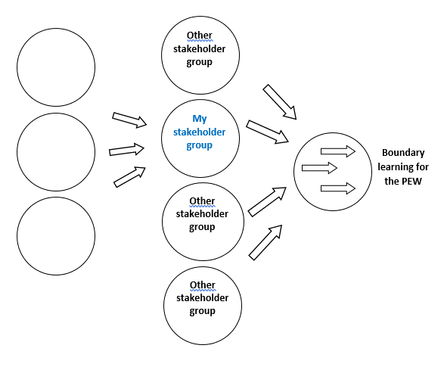
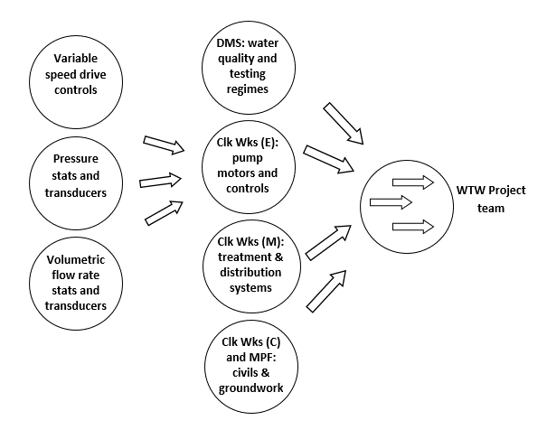

[Insert modelled production for a familiar activity]
[Insert modelled production for the activity being examined]

 |  |  |  |  |  |  |  |  |  |  |  |  |  | Researcher-interventionist notes: This task prepares participants for the fourth session (questioning) by considering: object-oriented activity; goal-oriented actions; and operations. The activity used is the familiar one discussed previously (represented in the image to the left of the previous workbook task). This task allows questioning to be conducted whilst considering important social organisation of work and learning, including how "humans can separate life motives, objects of collective activity, and goals pursued by individual actions" (Bligh & Flood, 2015, p. 147, italics in original). Within the session, questioning will be conducted on the activity being examined in the research-intervention, transferring these principles from the workbook task. The early model of current activity then becomes recorded on the models / vision surface (whether that exists in a physical space or a digital space) and in individual workbooks. Bligh, B., & Flood, M. (2015). The Change Laboratory in Higher Education: Research-Intervention Using Activity Theory. In J. Huisman & M. Tight (Eds.), Theory and Method in Higher Education Research: Volume 1 (pp. 141–168). Emerald Group Publishing Limited. https://doi.org/10.1108/s2056-375220150000001007
Change Laboratory for [insert brief summary of the research-intervention's intent]
Preparation for Session 4 - around 15 minutes
Exercise - Differences between operations, actions and activity
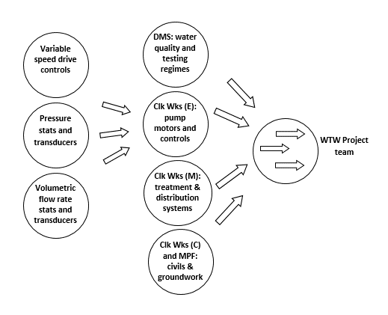

[Insert modelled production for a familiar activity]

Think of 3 operations contributing to the action of [insert a familiar example of a goal-oriented action which might be problematic for participants]:

Think of 3 actions (not including the above example) leading to the activity of [insert a familiar example of activity which might be problematic]:

Image of activity adapted from Kaptelinin, V., & Nardi, B. (2012). Basic Concepts and Principles of Activity. In Activity Theory in HCI: Fundamentals and Reflections (pp. 11–37). San Rafael: Morgan & Claypool Publishers.

Points to raise in CL session:

 |  |  |  |  |  |  |  |  |  |  |  |  |  | Researcher-interventionist notes: In these templated examples, the fourth session is conducted as a plenary of all sub-groups. Relatively early in this session, the expansive cycle is described, which is done as a group using the models / visions surface. It is used in this task as a tool for 'thinking forward'. The expansive cycle is related to the Change Laboratory methodology by Engeström (2016), who provides examples of these seven expansive learning actions (p. 142) and their sub-types (Table 7.3, p. 152). The expansive cycle then becomes an enduring model to trace the progress, iterations, and sub-iterations of the research-intervention. Progress can be traced by participants on the models / vision surface (whether that exists in a physical space or a digital space) and in individual workbooks. Engeström, Y. (2016). Studies in Expansive Learning: Learning What is Not Yet There. Cambridge University Press. https://doi.org/10.1017/CBO9781316225363
Change Laboratory for [insert brief summary of the research-intervention's intent]
During Session 4
Exercise - Planning the collaborative journey

Q: What is going wrong?
Q: How do we know?
Q: What shall we do about it?

 |  |  |  |  |  |  |  |  |  |  |  |  |  | Researcher-interventionist notes: In preparing for the fifth session (historical analysis), participants briefly conduct analyses with four-field models. Examples of four-field task stimuli are provided by Virkkunen and Newnham (2013) to discuss dimensions of development (p. 96), consolidation of change (p. 103), cognitive dimensions (p. 123), and historical types of organisation (p. 154). In this example, using consistent axes (corrective-preventive and direct-indirect) they individually plot the positions of past, present, and future activity, which are then compared in the session as task stimuli for historical analysis. As 'scene setting', the role of the germ cell of activity is focused, in this example using "What? So what? Now what?" stimuli, after Rolfe et al.'s (2001) reflective model. This is a familiar model to the participants, and ought to be substituted to suit each research-intervention's setting. Rolfe, G., Freshwater, D., & Jasper, M. (2001). Critical Reflection for Nursing and the Helping Professions: A User’s Guide. Palgrave. Virkkunen, J., & Newnham, D. (2013). The Change Laboratory: a Tool for Collaborative Development of Work and Education. SensePublishers. https://doi.org/10.1007/978-94-6209-326-3
Change Laboratory for [insert brief summary of the research-intervention's intent]
Preparing for Session 5 - around 15 minutes
Exercise - from activity to historical analyses

What? |  | [Insert a textual prompt, problem statement, or question, in the style of a first stimulus, to stimulate reflection on the problematic activity and how we got to this point. The "what?" stage is descriptive. Examples might include "what was I trying to achieve?", "what did I learn?", and "what was good or bad about it?". ]

So what? |  | [Insert a textual prompt, problem statement, or question, in the style of a first stimulus, to stimulate reflection on the problematic activity and how we got to this point. The "so what?" stage is theoretical. Examples might include "so what does this imply about my attitudes?", "so what could I have done to improve things?", and "so what is my new understanding?". ]

Now what? |  | [Insert a textual prompt, problem statement, or question, in the style of a first stimulus, to stimulate reflection on the problematic activity and how we got to this point. The "now what?" stage is action-oriented. Examples might include "now what do I need to improve?", "now what might be the consequences of change?", and "now what needs to be considered to sustain change?". ]

 |  |  |  |  |  |  |  |  |  |  |  |  |  | Researcher-interventionist notes: In further preparations for the fifth session (historical analysis), participants briefly plot the current organisation on a further four-field model, and create a timeline. As 'scene setting', the role of the germ cell of activity is again focused, in this example using a "What? So what? Now what?" statement after Rolfe et al.'s (2001) reflective model. The task then asks participants to think backwards and forwards, considering where the organisation lies on a four-field diagram of how organisations deal with problems, described by Virkkunen and Newnham (2013, Appendix 3, p. 249). Participants then record their own observations of change in the activity, using the timeline from past to present. The importance of historicity, with examples of timelines, are provided by Virkkunen and Newnham (2013, p. 84-85). Rolfe, G., Freshwater, D., & Jasper, M. (2001). Critical Reflection for Nursing and the Helping Professions: A User’s Guide. Palgrave. Virkkunen, J., & Newnham, D. (2013). The Change Laboratory: a Tool for Collaborative Development of Work and Education. SensePublishers. https://doi.org/10.1007/978-94-6209-326-3
Change Laboratory for [insert brief summary of the research-intervention's intent]
Preparing for Session 5 - around 15 minutes
Exercise - from activity to historical analyses

What? |  | Understanding our history can enable us to better understand how we got to this point. Before we analyse historical evolution as a group, we ought to have the opportunity to each understand (individually) our own historical perceptions of how activity has changed and developed.

So what? |  | Remember when we do this, the object is "[Insert the object of the activity being examined]". In consideration of that object, we should all begin to think about changes that we've experienced, which we can then discuss as a group during the sessions. While we do so, we can think about where we currently sit on the four-field model below left.

Now what? |  | As individuals, we'll complete an exercise about problems in activity and their historical evolution. Can you begin by selecting the nearest organization type to ours on the four-field diagram, then making some brief notes on the timeline; what has changed since you joined the organisation, for example? Spend 20 minutes or so on these exercises, which we'll develop when we're together.

 |  |  |  |  |  |  | 2017 | 2018 | 2019 | 2020 | 2021 | 2022 | Now

 |  |  |  |  | Observations of change in the activity

 |  |  |  |  |  |  |  |  |  |  |  |  |  | Researcher-interventionist notes: During the fifth session (historical analysis), participants develop their preparatory workbook exercises to consider the historical evolution of each element of their activity. Techniques for gathering, curating, and analysing historical data are described by Virkkunen and Newnham (2013, Appendix 4 and 5, p. 251 to 253). Virkkunen, J., & Newnham, D. (2013). The Change Laboratory: a Tool for Collaborative Development of Work and Education. SensePublishers. https://doi.org/10.1007/978-94-6209-326-3
Change Laboratory for [insert brief summary of the research-intervention's intent]
During Session 5
Exercise - from activity to historical analyses

My one-line problem definition:

Time | Object > outcome |  | Subject |  | Artefacts/tools |  | Community |  | Division of labour |  | Rules |  | Central problems
Now

2022

2021

2020

2019

2018

2017

Prior

 |  |  |  |  |  |  |  |  |  |  |  |  |  | Researcher-interventionist notes: In preparing for the sixth session (actual-empirical analysis), participants focus on operations, actions, and activity: the levels of each; who is involved; and how each is oriented. Focusing on current problematic activity, this task revisits a "What? So what? Now what?" statement after Rolfe et al.'s (2001) reflective model, then proceeds to plot systemic levels, those involved, and orientations. The subsequent page is a larger template of the task stimulus on the bottom left, provided for embellishment during the task. Rolfe, G., Freshwater, D., & Jasper, M. (2001). Critical Reflection for Nursing and the Helping Professions: A User’s Guide. Palgrave.
Change Laboratory for [insert brief summary of the research-intervention's intent]
Preparing for Session 6 - around 15 minutes
Exercise - from historical analyses to actual-empirical analyses

What? |  | We need to closely agree on what we consider as activities, actions and operations. In everyday language, they probably have various meanings which we can clarify in conversation. In CHAT and CL, however, they mean very specific things and have specific consequences for us. We need to discuss how our individual actions align with the activity that we're analysing!

So what? |  | We need to get these things clear to save time and effort in our future sessions. They may initially seem trivial, but they are much more than a "chicken and egg" relationship. Before we use these terms and their implications in the Change Laboratory sessions, it makes sense to discuss and clarify them with a familiar task.

Now what? |  | In our groups, we'll complete an exercise about activities, action and operations. Below is a template and an activity that we've previously completed; a [insert familiar activity]. Can you identify one example of each missing term? Spend at most 30 minutes on it, then we'll complete the one overleaf together for our [insert problematic activity being examined].

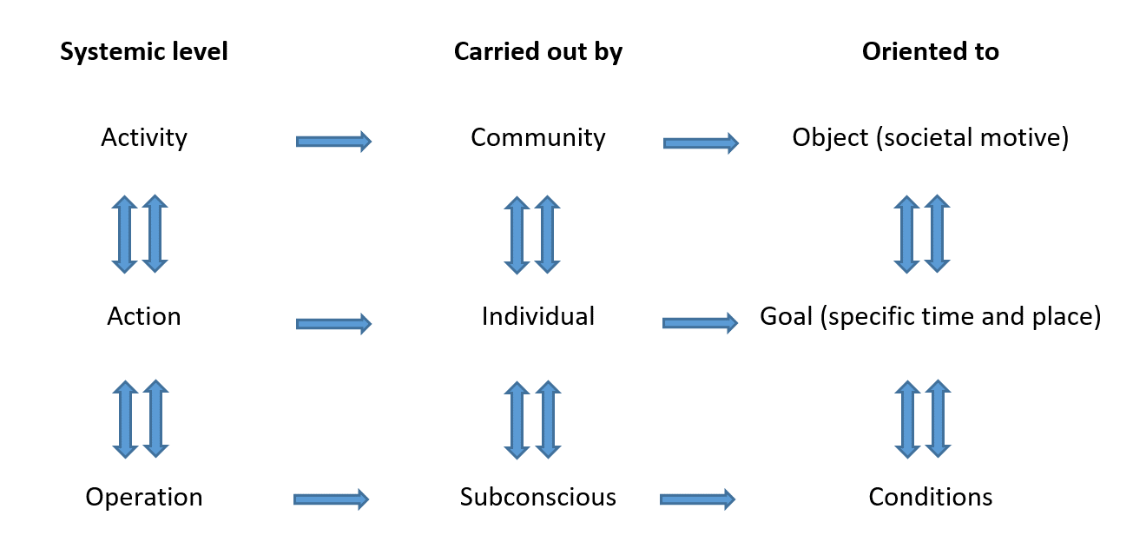 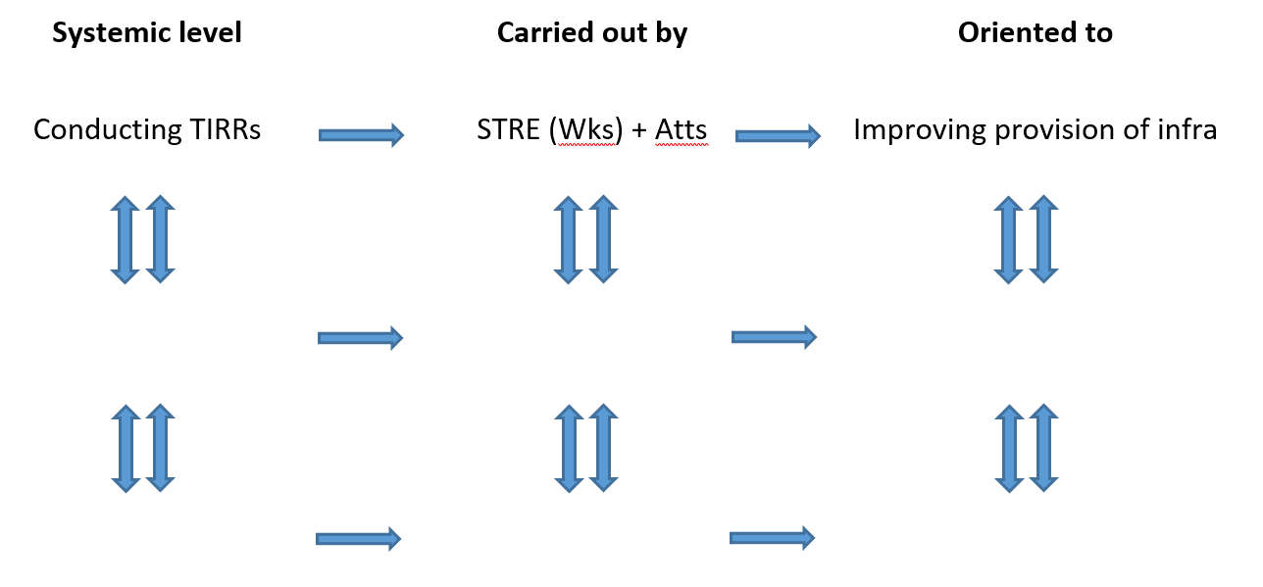

[Insert modelled example for a familiar activity]

 |  |  |  |  |  |  |  |  |  |  |  |  |  | Researcher-interventionist notes: The task stimulus on this page is a larger template of the one to the bottom left of the previous page, provided for embellishment during the task. This will typically be completed individually in workbooks as preparation for actual-empirical analyses, then compared by all participants during the session. These and other stimuli for examining the hierarchical structure of activity are described by Kaptelinin and Nardi (2006, p. 64; 2012, p. 11). Kaptelinin, V., & Nardi, B. A. (2006). Acting with technology: Activity theory and interactional design. MIT Press. https://doi.org/10.1037/0022-3514.90.4.644 Kaptelinin, V., & Nardi, B. (2012). Basic Concepts and Principles of Activity. In Activity Theory in HCI: Fundamentals and Reflections (pp. 11–37). San Rafael: Morgan & Claypool Publishers.
Change Laboratory for [insert brief summary of the research-intervention's intent]
During Session 6
Exercise - from historical analyses to actual-empirical analyses

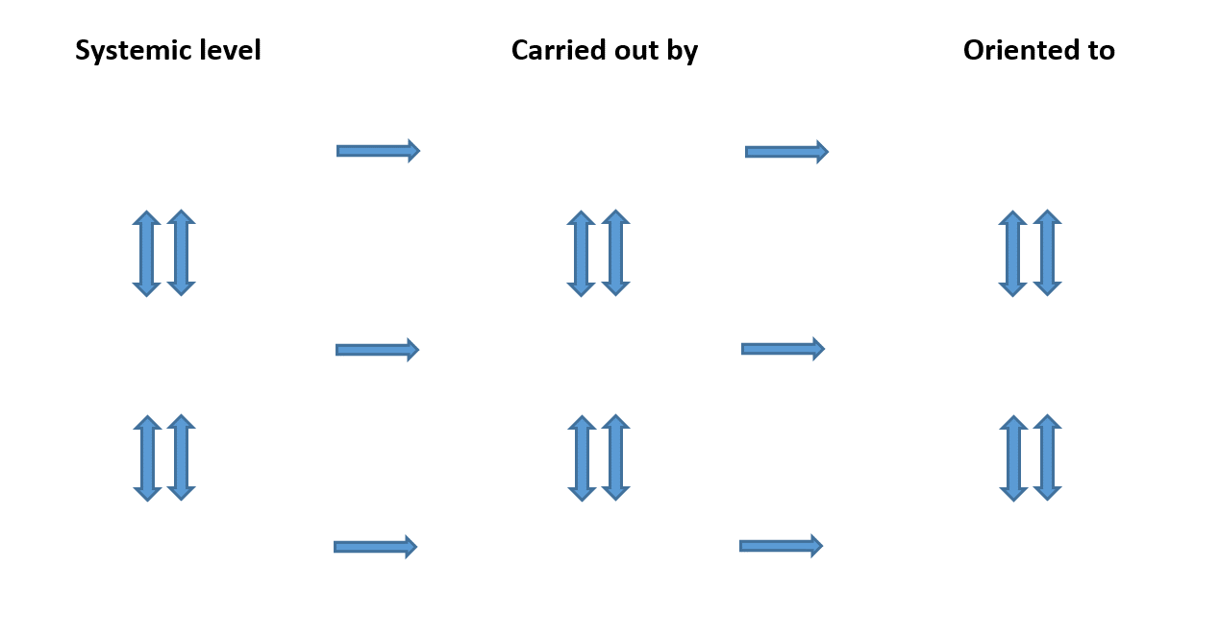

 |  |  |  |  |  |  |  |  |  |  |  |  |  | Researcher-interventionist notes: These task stimuli are typically used in the sixth session (actual-empirical analysis) to turn toward contradictions, differentiating them from their manifestations in daily reality such as dilemmas, disturbances, and tensions. Additionally, this and the subsequent task, seek to expose and aggravate contradictions to illustrate to participants their developmental potential. These analyses serve to "anchor the actors’ thinking and search for a new solution to the objective situation in the activity, which they then change through their practical actions. In this process, the changes in the activity system create inner contradictions within and among its elements and in its relations to other activities" (Virkkunen & Newnham, 2013, p. 52). Mirror data may need to be introduced sensitively, since they can be "emotionally difficult for the participants to confront and accept if they do not also have tools for distancing themselves from the situation presented in the mirror and for analyzing it intellectually" (ibid, p. 22). Virkkunen, J., & Newnham, D. (2013). The Change Laboratory: a Tool for Collaborative Development of Work and Education. SensePublishers. https://doi.org/10.1007/978-94-6209-326-3
Change Laboratory for [insert brief summary of the research-intervention's intent]
During Session 6
Exercise - actual-empirical analyses and contradictions

What? |  | There is a difference between the real substance of contradictions (which cannot be observed) and the way that they are expressed in day to day life (which can be observed)... [Insert relatable example of a first stimulus. The "what?" stage is descriptive.]

So what? |  | We need to really work to identify the contradictions, rather than the way they are shown to us, to be effective in organizational change. To practice, we'll [Insert relatable example of a first stimulus. The "so what?" stage is theoretical.]

Now what? |  | In our groups we'll discuss these themes, and before we do we'll... [Insert relatable example of a first stimulus. The "now what?" stage is action-oriented.]

[The task will typically include URLs linked here to access mirror data, preferably AV, and preferably with irrefutable evidence of failing activity]
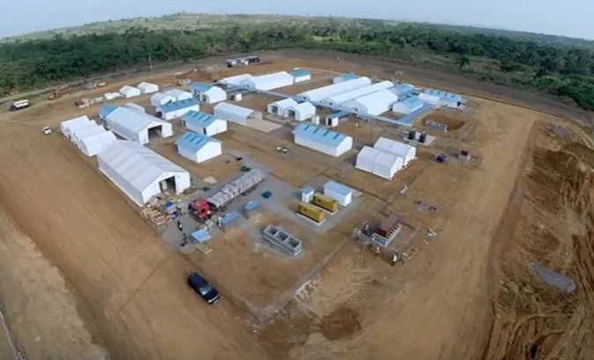
 |  |  |  | Note any dilemmas, disturbances, tensions, etc which you can identify in the AV media, and which might be manifestations of contradictions:
[Insert examples of mirror data for a familiar activity]

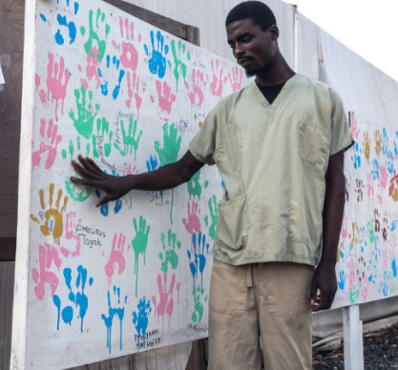

 |  |  |  |  |  |  |  |  |  |  |  |  |  | Researcher-interventionist notes: These task stimuli are typically used in the sixth session (actual-empirical analysis) to develop the outcomes of the previous task. In this task, the dilemma, disturbances, tensions, etc identified in the AV are analysed to identify contradictions, which are in turn exposed and aggravated. Collaborative focus is on primary contradictions, given their persistence. This necessitates significant effort by the researcher-interventionist. Primary contradictions are the most persistent, between direct intrinsic worth versus exchange as a commodity. They are a continual tension of capitalist economics, which cannot be eliminated, and are cited as a distinguishing feature of CHAT (Foot & Groleau, 2011. p. 5). Foot, K., & Groleau, C. (2011). Contradictions, transitions, and materiality in organizing processes: An activity theory perspective. First Monday, 16(6), 1–19. http://journals.uic.edu/ojs/index.php/fm/article/view/3479/2983
Change Laboratory for [insert brief summary of the research-intervention's intent]
During Session 6
Exercise - contradictions, use value and exchange value

What? |  | The contradictions in our activity can be traced back to primary contradictions of "use value versus exchange value". As an example we'll all understand, let's say that [insert familiar or relatable example].

So what? |  | We need to do some exercises to tell the difference between use and exchange, so that we can expose and aggravate them. When we discuss Karl Marx, and things like economics and contradictions, you may think they don't apply to [insert familiar or relatable example].

Now what? |  | Think about [insert familiar or relatable example]. How could their use value and exchange value be analysed? Can you complete the following, including adding your own example of something (anything) else to discuss:

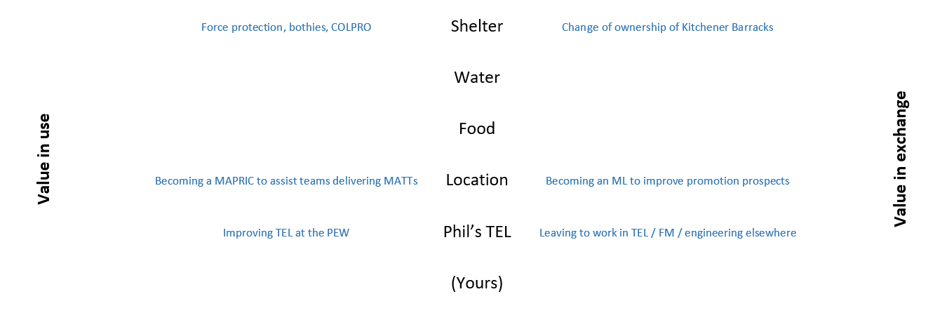

[Insert examples of task stimuli to expose and aggravate primary contradictions for a familiar activity]

 |  |  |  |  |  |  |  |  |  |  |  |  |  | Researcher-interventionist notes: In the seventh session (modelling) some of the most problematic and difficult tasks take place. In preparation, this task encourages participants to individually consider 'springboards' - these are triggers for change, rather than proposed solutions (see e.g. Engeström and Sannino, 2016, p. 409). In this task, DEEPLIST and SWOT analyses provide individuals with familiar conceptual frameworks from their own 'domain', with which to consider springboards. DEEPLIST and SWOT ought to be substituted with frameworks that are suited to the research intervention's problematic activity. Since these preparatory tasks are directly developed and discussed in the session, there are typically URLs providing links to collaborative whiteboards and examples of springboards. Engeström, Y., & Sannino, A. (2016). Expansive learning on the move: insights from ongoing research / El aprendizaje expansivo en movimiento: aportaciones de la investigación en curso. Infancia y Aprendizaje / Journal for the Study of Education and Development, 39(3), 401–435. https://doi.org/10.1080/02103702.2016.1189119
Change Laboratory for [insert brief summary of the research-intervention's intent]
Preparing for Session 7 - around 15 minutes
Exercise - springboards for new activity

What? |  | Modelling the new activity is often cited as the most difficult part of our Change Laboratory journey. Fortunately we have a few techniques to help us out, and one of them involves identifying cultural and historical "springboards".

So what? |  | A springboard is a trigger for change, rather than a solution itself. It could be an image, a story, some previous experiences, but something that sits in the past and provides us a clue, a hint or a starter of how we might create our new activity.

Now what? |  | In our small groups let's think of springboards. We may need to discuss rough drafts as a group, which then generate more ideas which is absolutely fine. It's also fine if it takes us more than one session. Remember that they're only rough ideas.

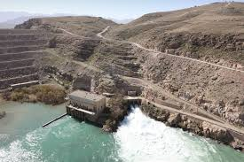
 |  |  |  |  | The Kajaki Dam is in the north of Helmand Province. It was commenced in the 1950s, with the hydroelectric plant started in the 1970s by US Aid. In partial completion, it was abandoned in 1979 during the Russian invasion. Only two if its three turbine units have ever been operational, with frequently only one working. In 2008 a third 220-tonne turbine was delivered during a high-intensity operation, which was hailed by NATO as a significant victory. The turbine remains non-operational. In no more than 10 minutes, compile an outline DEEPLIST and SWOT assessment (overleaf) of why it isn't fitted. Can you identify any potential for using these to aggravate our underlying contradictions? What can we learn from them? Can you think of any springboards to inform our boundary crossing TEL, something to take forward for UK contingency operations, or infrastructure engineering generally?

[Insert mirror data for a familiar activity]
[Insert a scenario for a familiar activity]

Example springboards |  | Add your ideas either at this wiki or in the box below, and we'll discuss them as a group

 |  |  |  |  |  |  |  |  |  |  |  |  |  | Researcher-interventionist notes: This is a place for individuals to record their thoughts on the DEEPLIST (Finlay, 2000) and SWOT (debated, see e.g. Gurel & Tat, 2017) analyses discussed on the previous page. DEEPLIST is a tool to analyse external factors in macro organisations , with SWOT serving to exmaine internal factors. These serve as examples of moving between familiar stimuli, and those which are more esoteric, such as expansive cycles and activity systems. Tools such as DEEPLIST and SWOT are familiar to the participants in these examples, and ought to be substituted to suit each research-intervention. Finlay, P. N. (2000). Strategic Management: An Introduction to Business and Corporate Strategy. Pearson Education. Gurel, E., & Tat, M. (2017). SWOT analysis: a theoretical review. Journal of International Social Research, 10(51), 994–1006. https://doi.org/10.17719/jisr.2017.1832
Change Laboratory for [insert brief summary of the research-intervention's intent]
Preparing for Session 7 - around 15 minutes
Exercise - springboards for new activity

DEEPLIST factors for new activity

Demographic

Environmental

Economic

Political

Legislative

Informational

Sociological

Technological

 |  |  |  |  |  |  |  |  |  |  |  |  |  | Researcher-interventionist notes: During the seventh session, the individual preparatory tasks (in this template, the DEEPLIST and SWOT analyses discussed on the previous pages) are developed into an activity system. Contradictions are then exposed and aggravated, using the models / visions surface, the modelled activity becoming an enduring task stimulus for the remainder of the research-intervention's sessions. At the point of modelling, sub-iterations are likely to dominate, often with "questioning, modelling and examining actions done with great intensity" as observed by Engeström (2016, p. 153). Sub-types of modelling (ibid.) include: sketching an initial idea; exploiting existing models; naming and defining; fixing both materially and graphically; varying and adapting. Engeström, Y. (2016). Studies in Expansive Learning: Learning What is Not Yet There. Cambridge University Press. https://doi.org/10.1017/CBO9781316225363
Change Laboratory for [insert brief summary of the research-intervention's intent]
During Session 7
Exercise - modelling new activity and exposing contradictions

[Insert mirror data for the activity examined in the preparatory tasks]
 |  |  |  |  |  |  |  |  | Subject (the activity's participants):
 |  |  |  |  |  |  |  |  | Subjects:

 |  |  |  |  |  |  |  |  | Object (the reason for the activity):
 |  |  |  |  |  |  |  |  | Object:

 |  |  |  |  |  |  |  |  | Tools or artefacts (tech and cognitive means of reaching the outcome):
 |  |  |  |  |  |  |  |  | Tools or artefacts:

 |  |  |  |  |  |  |  |  | Rules (the activity's formal and informal regulations):
 |  |  |  |  |  |  |  |  | Rules:

 |  |  |  |  |  |  |  |  | Community (a wider population with a vested interest):
 |  |  |  |  |  |  |  |  | Community:

 |  |  |  |  |  |  |  |  | Division of labour (allocation of activity's expertise and power):
 |  |  |  |  |  |  |  |  | Division of labour:

Points to raise:

 |  |  |  |  |  |  |  |  |  |  |  |  |  | Researcher-interventionist notes: Toward the latter parts of the seventh session, modelling, attention typically turns to redesigning modelled activity in a way which can be used to explain the problematic aspects, and the developmental potential of its contradictions. The redesigned activity is then examined in the subsequent eighth session. These steps are almost always iterative: "Modeling the new solution is based on the analysis, but can lead to further insights that complement or change the initial analysis" (Virkkunen & Newnham, 2013, p. 74). Virkkunen, J., & Newnham, D. (2013). The Change Laboratory: a Tool for Collaborative Development of Work and Education. SensePublishers. https://doi.org/10.1007/978-94-6209-326-3
Change Laboratory for [insert brief summary of the research-intervention's intent]
During Session 7
Exercise - Redesigning [insert problematic activity]

What? |  | There is need to promote intersubjective ownership of the new model and its contradictions: participants’ will jointly compile a model of new activity. [Insert relatable example of a first stimulus. The "what?" stage is descriptive.]

So what? |  | We need to Illustrate old elements to help model new activity: inner contradictions; challenges and opportunities from peers. To practice, we'll [Insert relatable example of a first stimulus. The "so what?" stage is theoretical.]

Now what? |  | In our groups, on account of our reflection, we'll model new object-oriented activity. [Insert relatable example of a first stimulus. The "now what?" stage is action-oriented.]

 |  |  |  |  | When we've assessed where we are on the model (there is a larger one overleaf), we need to compile answers to the following: • How do our previous proposals and ideas contribute to the new activity? Is there anything we proposed that has been missed or ignored? • Are there any "residual disturbances" between our own work and the broader collaborative activity, and if so then how do they relate to the object? • Are there any "residual disturbances" between our own work and the broader collaborative activity, and if so then how do they relate to the artefacts? • From our trial of the new activity, is there anything that you expected to change which hasn’t? • From our trial of the new activity, is there anything that you did not expect to change which has?

 |  |  |  |  |  |  |  |  |  |  |  |  |  | Researcher-interventionist notes: In preparation for the eighth session (examining), these task stimuli invite individuals to consider potential tertiary contradictions, resulting from their previous proposals for change to activity. Having exposed and aggravated secondary contradictions in previous sessions, this task acknowledges how, in expansive learning, "implementing a solution to the secondary contradiction leads to tertiary contradictions between the old and the new model that manifests itself in all elements of the activity system as problems and disturbances" (Virkkunen & Newnham, 2013, p. 185). Given the context of TEL, frequent tertiary contradictions are likely to relate to technology, the allocation of roles, and policy. Hence the templated examples describe: old divisions of labour and new tools; and old rules and new tools. Virkkunen, J., & Newnham, D. (2013). The Change Laboratory: a Tool for Collaborative Development of Work and Education. SensePublishers. https://doi.org/10.1007/978-94-6209-326-3
Change Laboratory for [insert brief summary of the research-intervention's intent]
Preparation for Session 8 - around 15 minutes
Exercise - Examining the redesigned activity

 |  |  |  |  |  |  |  |  | Old divisions of labour and new tools:
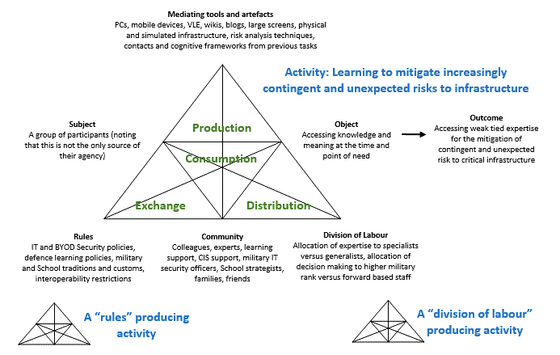

[Insert the modelled redesigned activity as it is currently represented on the models / visions surface]

 |  |  |  |  |  |  |  |  | Old rules and new tools:

 |  |  |  |  |  |  |  |  | Old [insert others yourself] and new [insert others yourself]

Notes on other related activities:

 |  |  |  |  |  |  |  |  |  |  |  |  |  | Researcher-interventionist notes: During the eighth session (examining), these task stimuli are jointly imbued with meaning on the surfaces, as contradictions are exposed and aggravated across all participants in the plenary. The workbook provides a means for individual recording and reflection, during these collaborative tasks. It is important to re-state the iterative nature of examining with other expansive actions: "examining the model can lead to changes in it and the implementation of the model often leads to questioning some aspects of the current practice that were not questioned in the first place, as well as deepening of the analysis and elaboration of the model" (Virkkunen & Newnham, 2013, p. 74). Virkkunen, J., & Newnham, D. (2013). The Change Laboratory: a Tool for Collaborative Development of Work and Education. SensePublishers. https://doi.org/10.1007/978-94-6209-326-3
Change Laboratory for [insert brief summary of the research-intervention's intent]
During Session 8
Exercise - From modelling to examining; the redesigned activity and its contradictions
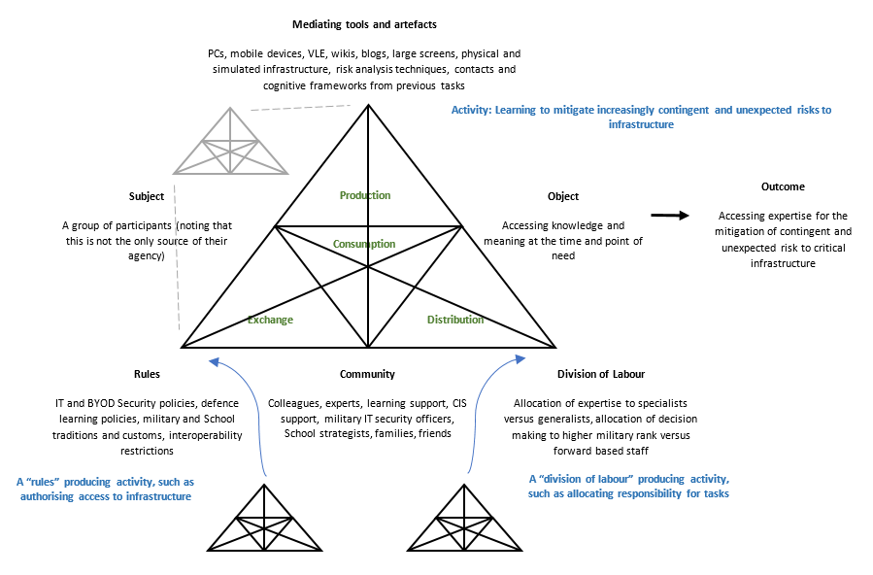

[Insert the modelled redesigned activity as it is currently represented on the models / visions surface]

 |  |  |  |  |  |  |  |  |  |  |  |  |  | Researcher-interventionist notes: In these templates, the discussions of implementation took place initially in separate sub-groups, followed by a plenary of all participants. These task stimuli are preparatory tasks, completed as individuals within sub-groups consider implementation. They do so from the perspective of their own sub-group, followed by the perspectives of other sub-groups. Experimental implementation may demand managerial sanction: "Usually some pioneering individuals or a small group starts to carry out the new kind of actions. This they do, however, still in the context of the existing activity system and are therefore bound to experience disturbances and problems caused by contradictions between the new and the old principle of carrying out the activity" (Virkkunen & Newnham, 2013, p. 77). These proposals of support, problems, and mirror material are subsequently introduced to the sub-group session as task stimuli, and later still they are introduced to the plenary for the examination of all. Virkkunen, J., & Newnham, D. (2013). The Change Laboratory: a Tool for Collaborative Development of Work and Education. SensePublishers. https://doi.org/10.1007/978-94-6209-326-3
Change Laboratory for [insert brief summary of the research-intervention's intent]
Preparing for Session 9 [insert sub group], Session 10 [insert sub group] and Session 11 [insert sub group] - around 15 minutes
Exercise - experimental implementation

What? |  | In our separate groups we ought to conduct an experimental implementation of our new model of activity, including anything that other stakeholders may need to look at. We have some useful techniques to use, but we need to prepare them for our individual sessions before we bring them back to our central plenary...

So what? |  | We're going to consider a number of likely contradictions and related steps in our expansive cycle, some of which we'll need to revisit when we're together. Then, in our individual groups, we're going to use the new model to engage with colleagues and see what happens. Before that, we'll try to make some predictions...

Now what? |  | We can identify and log things that we still need to work on, predicting how our own actions will have implications for other participants, and for the sustenance of changes that we've made to activity. Can you answer your own stakeholder group's questions, and predict how other groups will respond to their questions...

Group |  | What new support do you need? |  |  |  | What old problems will remain? |  |  |  | What might the mirror material look like?
[Insert group]

[Insert group]

[Insert group]

[Insert group]

Others

 |  |  |  |  |  |  |  |  |  |  |  |  |  | Researcher-interventionist notes: This task stimulus is typically used in the ninth, tenth, and eleventh sessions. It develops the preparatory work for discussions of experimental implementation, returning to the activity system as discrete sub-groups, to consider contradictions which were exposed and / or aggravated during implementation. Iteration may necessitate access to previous work as mirror data, in addition to revisiting models / visions surfaces to discuss the evolution of modelled and examined proposals: "In the implementation of the new model, disturbances, ruptures and innovative actions will arise from contradictions between the old way of acting and the new" (Virkkunen & Newnham, 2013, p. 101). Virkkunen, J., & Newnham, D. (2013). The Change Laboratory: a Tool for Collaborative Development of Work and Education. SensePublishers. https://doi.org/10.1007/978-94-6209-326-3.
Change Laboratory for [insert brief summary of the research-intervention's intent]
During Session 9 [insert sub group], Session 10 [insert sub group] and Session 11 [insert sub group]
Exercise - experimental implementation and group revisions of activity
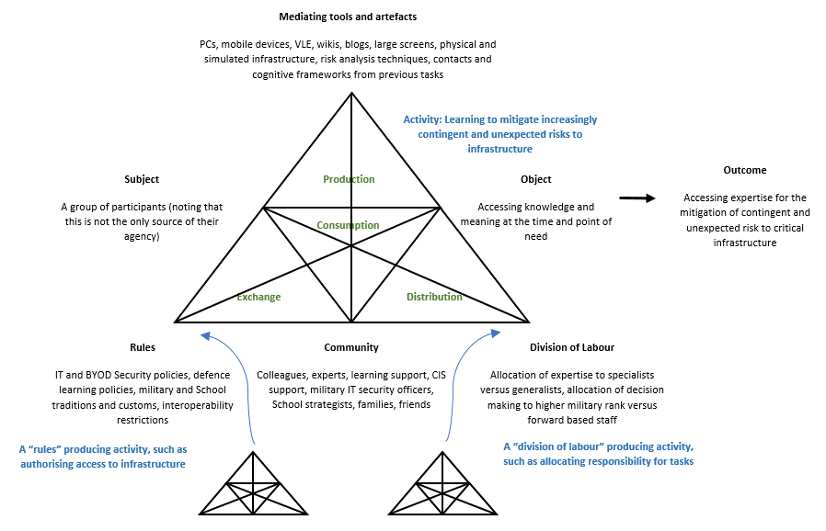

[Insert the modelled redesigned activity as it is currently represented on the models / visions surface]

 |  |  |  |  |  |  |  |  |  |  |  |  |  | Researcher-interventionist notes: This task stimulus is typically used in the twelfth session, developing the sub-group work on discussions of implementation. The activity system is revisited as a plenary of all participants, to consider contradictions which were exposed and / or aggravated during implementation. Whilst these arrangements for coming together as discrete sub-groups, then as a plenary, can be lucrative and insightful, they deserve sensitivity when discussing eperimental implementation: "When taking the action the subject might need to deviate from the existing rules of the activity. Carrying out the action can also mean a change in the subject’s relationships with other actors and in the current division of labor. Taking the new kind of action the subject has therefore to negotiate about the deviation from the current practices and readjusting other related actions" (Virkkunen & Newnham, 2013, p. 77). Virkkunen, J., & Newnham, D. (2013). The Change Laboratory: a Tool for Collaborative Development of Work and Education. SensePublishers. https://doi.org/10.1007/978-94-6209-326-3
Change Laboratory for [insert brief summary of the research-intervention's intent]
During Session 12
Exercise - experimental implementation and whole-group revisions of activity

[Insert the modelled redesigned activity as it is currently represented on the models / visions surface]

 |  |  |  |  |  |  |  |  |  |  |  |  |  | Researcher-interventionist notes: In preparation for the thirteenth session (reflecting) individuals respond to task stimulus based on sustenance, and lessons identified for further consolidation (which is examined in the subsequent session). In addition to lessons identified for reflection and further consolidation, there will likely be discussions of expansive and non-expansive actions. These have been examined in a seminal study of expansivity in a library discussed by Engeström (2016, p. 139), whose sub-question asks "What non-expansive learning actions may be identified in the process and what is their quantitative role in relation to expansive learning actions?". Engeström, Y. (2016). Studies in Expansive Learning: Learning What is Not Yet There. Cambridge University Press. https://doi.org/10.1017/CBO9781316225363
Change Laboratory for [insert brief summary of the research-intervention's intent]
Preparation for Session 13 - around 15 minutes
Exercise - Lessons learned (and not learned) for reflection and consolidation

What? |  | There is need to promote intersubjective ownership of what was learned and what was not learned. [Insert relatable example of a first stimulus. The "what?" stage is descriptive.]

So what? |  | We need to expose and discuss stubborn irresolvable problems, and their related contradictions, and the associated risks to our new activity. To practice, we'll [Insert relatable example of a first stimulus. The "so what?" stage is theoretical.]

Now what? |  | In our groups, on account of our reflection, we'll consider our consolidation of our new object-oriented activity and the implications for our ongoing practice. [Insert relatable example of a first stimulus. The "now what?" stage is action-oriented.]

First of all, assess where you think we are on the model overleaf. In our plenary we'll produce evidence that we've all been through the stages (they don't need to be in any order, and we may have been through stages several times, but we ought to assess whether we missed any). When we've done that exercise, we'll compile answers to the following: • In earlier sessions we conducted "past, present and future" four-field mapping; how does our current progress compare? • What changes need to happen to our organisational arrangements and roles to make our proposals sustainable? • What changes need to happen to doctrine and policies to make our proposals sustainable? • What else do we need to do, and what next, to make sure that what we've decided will continue to happen and will be sustainable? • Is there anything that you expected to change which hasn’t? • Is there anything that you did not expect to change which has?

 |  |  |  |  |  |  |  |  |  |  |  |  |  | Researcher-interventionist notes: In preparation for the fourteenth session (consolidation) individuals respond to task stimulus based on their own evidence of expansivity. This prepares participants for "looking backwards to prepare for moving forward. As in the experimental implementation of the new model, in the action of reflecting on the process agency is already mostly in the hands of the participants and the other actors in the organization" (Virkkunen & Newnham, 2013, p. 101). Virkkunen, J., & Newnham, D. (2013). The Change Laboratory: a Tool for Collaborative Development of Work and Education. SensePublishers. https://doi.org/10.1007/978-94-6209-326-3
Change Laboratory for [insert brief summary of the research-intervention's intent]
Preparation for Session 14 - around 15 minutes
Exercise - Lessons learned (and not learned) for reflection and consolidation

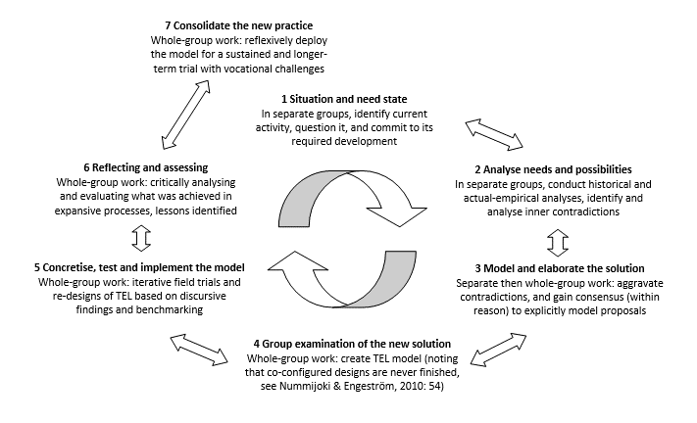
Please add your own opinions of evidence that we have completed each stage

 |  |  |  |  |  |  |  |  |  |  |  |  |  | Researcher-interventionist notes: In preparation for follow-up sessions, the task stimuli are relatable to models and concepts used in "business as usual". In the templates and examples, follow-up discussions took place three months after cessation of the Change Lab workshops. In this example, a "MoSCoW" statement (must, should, could, won't), a RAG (red, amber, green) assessment, and a SMAAART (specific, measurable, timebound, aggressive, accountable, achievable, realistic and timebound) outcome are related to an activity system, for follow-up discussion in the session. The researcher-interventionist's role is one of facilitation, curation, and provision of data, with participants leading: "Consolidation and generalization takes place at three levels: firstly, on the level of organizational decisions concerning new rules, organizational arrangements, and implementation and use of tools; secondly, on the level of crystallizing the new concept or concepts that the practical reforms reflect, and thirdly, on the level of terminology" (Virkkunen & Newnham, 2013, p. 103). Virkkunen, J., & Newnham, D. (2013). The Change Laboratory: a Tool for Collaborative Development of Work and Education. SensePublishers. https://doi.org/10.1007/978-94-6209-326-3
Change Laboratory for [insert brief summary of the research-intervention's intent]
Preparation for Follow-up sessions - around 15 minutes
Exercise - Sustenance

What? |  | We previously made some commitments. Imagine those commitments are an activity, and write down a specific action you can claim in contributing to that activity. Feel free to sketch an activity system if it helps, and when we meet we can discuss contradictions. If you haven't claimed any actions, then don't panic as we can discuss why and then we'll have three months until we meet again.

[Insert a contemporary "business as usual" model or concept which represents the redesigned activity in organisational practice]

Remember SMAAART means be specific, measurable, timebound, aggressive, accountable, achievable, realistic and timebound!

What did you do? |  |  |  |  | If nothing, why? |  |  |  | Either way, what would the mirror data be?

 |  |  |  |  |  |  |  |  |  |  |  |  |  | Researcher-interventionist notes: The ownership and conduct of follow up sessions is typically transferred in entirety to participants themselves. Consolidation might accompany the generation or amendment of policy documents, "to explicate and summarize the new model in a written document that is used as the substantiation of the management’s decisions concerning the adoption of the new model and the related decisions concerning new rules, organizational arrangements and tools" (Virkkunen & Newnham, 2013, p. 104). In this example, participants had selected a Chair, and forwarded the agenda to the researcher-interventionists with an invitation, yet not with an assumption of attendance. Virkkunen, J., & Newnham, D. (2013). The Change Laboratory: a Tool for Collaborative Development of Work and Education. SensePublishers. https://doi.org/10.1007/978-94-6209-326-3
Change Laboratory for [insert brief summary of the research-intervention's intent]
Agenda for follow up workshops
If you are unable to attend, please inform the Chair of your nominated advocate 2 working days prior to the workshop

[Insert time, date, and location] |  |  |  |  |  |  |  | [Insert time, date, and location]

1330 hrs | Introductions |  |  |  |  |  |  | 1330 hrs | Introductions
1335 hrs | Summary of actions from previous follow up workshop |  |  |  |  |  |  | 1335 hrs | Summary of actions from previous follow up workshop
1340 hrs | Action by [individual lecturer] |  |  |  |  |  |  | 1340 hrs | Action by [individual lecturer]
1345 hrs | Action by [individual lecturer] |  |  |  |  |  |  | 1345 hrs | Action by [individual lecturer]
1350 hrs | Action by [individual lecturer] |  |  |  |  |  |  | 1350 hrs | Action by [individual lecturer]
1355 hrs | Action by [individual lecturer] |  |  |  |  |  |  | 1355 hrs | Action by [individual lecturer]
1360 hrs | Action by [individual lecturer] |  |  |  |  |  |  | 1360 hrs | Action by [individual lecturer]
1365 hrs | Action by [individual lecturer] |  |  |  |  |  |  | 1365 hrs | Action by [individual lecturer]
1370 hrs | Action by [individual manager] |  |  |  |  |  |  | 1370 hrs | Action by [individual manager]
1375 hrs | Action by [individual manager] |  |  |  |  |  |  | 1375 hrs | Action by [individual manager]
1380 hrs | Action by [individual manager] |  |  |  |  |  |  | 1380 hrs | Action by [individual manager]
1385 hrs | Action by [individual learner] |  |  |  |  |  |  | 1385 hrs | Action by [individual learner]
1390 hrs | Action by [individual learner] |  |  |  |  |  |  | 1390 hrs | Action by [individual learner]
1395 hrs | Action by [individual learner] |  |  |  |  |  |  | 1395 hrs | Action by [individual learner]
1400 hrs | Action by [individual learner] |  |  |  |  |  |  | 1400 hrs | Action by [individual learner]
1405 hrs | Action by [individual learner] |  |  |  |  |  |  | 1405 hrs | Action by [individual learner]
1410 hrs | Action by [individual learner] |  |  |  |  |  |  | 1410 hrs | Action by [individual learner]
1415 hrs | Action by [individual learner] |  |  |  |  |  |  | 1415 hrs | Action by [individual learner]
1420 hrs | Action by [individual learner] |  |  |  |  |  |  | 1420 hrs | Action by [individual learner]
1425 hrs | Action by [individual learner] |  |  |  |  |  |  | 1425 hrs | Action by [individual learner]
1430 hrs | Action by [individual learner] |  |  |  |  |  |  | 1430 hrs | Action by [individual learner]
1435 hrs | Closing remarks around the table |  |  |  |  |  |  | 1435 hrs | Closing remarks around the table
1440 hrs | Closing remarks by the Chair |  |  |  |  |  |  | 1440 hrs | Closing remarks by the Chair

,,

